SET
The PID code assigned to you is: | command buffer [byte]
VID: 0x04D8 | 0 | 1 | 2 | 3 | 4 | 5 | 6 | 7 | COMMENT | 21 | 22 | 23
PID: 0xF372
 | Command group | Led or Lux Side | R | G | B

 | Simple colour command
Set all Lux in one colour | 0 | R | x | x | x | x | x |  | x - unused or does not matter
 | 0 | G | x | x | x | x | x
 | 0 | B | x | x | x | x | x |  | A - back side, B - tab side (1-6 led id)
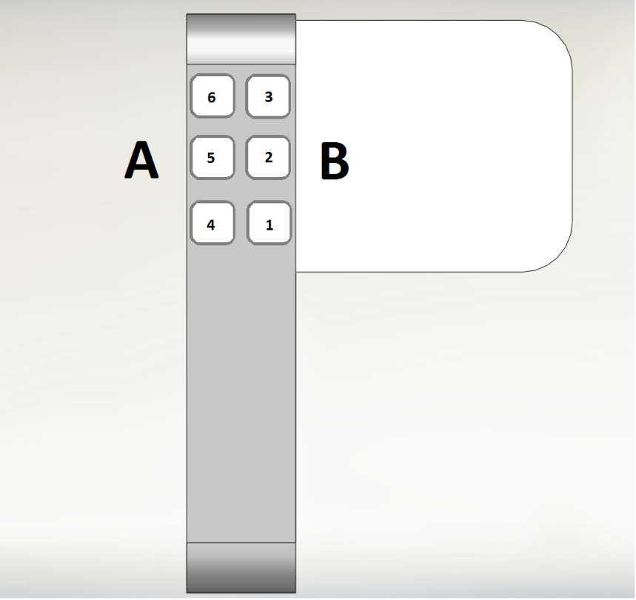
 | 0 | C | x | x | x | x | x
 | 0 | M | x | x | x | x | x
 | 0 | Y | x | x | x | x | x
 | 0 | W | x | x | x | x | x
 | 0 | O | x | x | x | x | x
 | Statics colour without fade
Set all Lux in one colour (rgb code) | 1 | 0xFF | 0-255 | 0-255 | 0-255 | x | x
control A side | 1 | "A" = 0x41 | 0-255 | 0-255 | 0-255 | x | x
control B side | 1 | "B" = 0x42 | 0-255 | 0-255 | 0-255 | x | x
control individual LED | 1 | 0x01-0x06 | 0-255 | 0-255 | 0-255 | x | x
 | Change colour with fade |  |  |  |  | Changing time
Set all Lux in one colour | 2 | 0XFF | 0-255 | 0-255 | 0-255 | 0-255 | x
control A side | 2 | "A" = 0x41 | 0-255 | 0-255 | 0-255 | 0-255 | x
control B side | 2 | "B" = 0x42 | 0-255 | 0-255 | 0-255 | 0-255 | x
control individual LED | 2 | 0x01-0x06 | 0-255 | 0-255 | 0-255 | 0-255 | x
Advanced commands for geeks
 | Strob |  |  |  |  | Speed |  | REPEAT
Set all Lux in one colour | 3 | 0xFF | 0-255 | 0-255 | 0-255 | 0-255 | x | 0-255
control A side | 3 | "A" = 0x41 | 0-255 | 0-255 | 0-255 | 0-255 | x | 0-255
control B side | 3 | "B" = 0x42 | 0-255 | 0-255 | 0-255 | 0-255 | x | 0-255
control individual LED | 3 | 0x01-0x06 | 0-255 | 0-255 | 0-255 | 0-255 | x | 0-255
 | wave | wave type |  |  |  |  | REPEAT | Speed
 | 4 | 1 | 0-255 | 0-255 | 0-255 | x | 0-255 | 0-255
 | 4 | 2 | 0-255 | 0-255 | 0-255 | x | 0-255 | 0-255
 | 4 | 3 | 0-255 | 0-255 | 0-255 | x | 0-255 | 0-255
 | 4 | 4 | 0-255 | 0-255 | 0-255 | x | 0-255 | 0-255
 | 4 | 5 | 0-255 | 0-255 | 0-255 | x | 0-255 | 0-255

 | Build in patterns | patern id | REPEAT

 | 6 | 0x00- 0x08 | 0-255 | x | x | x | x | x

Productivity

Enable productivity command execution | 10 | E | x | x | x | x | x | x
Disable productivity command execution | 10 | D | x | x | x | x | x | x
productivity command - set colour for all lux | 10 | R | x | x | x | x | x | x
 | 10 | G | x | x | x | x | x | x
 | 10 | B | x | x | x | x | x | x
 | 10 | C | x | x | x | x | x | x
 | 10 | M | x | x | x | x | x | x
 | 10 | Y | x | x | x | x | x | x
 | 10 | W | x | x | x | x | x | x
 | 10 | O | x | x | x | x | x | x

